Data Overview
Telecom Customer Churn — Data Overview

Dataset Shape
Number of Rows (customers) | 7043
Number of Columns | 21

Duplicate Check
Duplicate Customer IDs | 0

Customer Churn Distribution
Columns, Data Types & Missing Values
Column Name | Data Type | Missing Values | % Missing
customerID | Text | 0 | 0.0%
gender | Text | 0 | 0.0%
SeniorCitizen | Number (0/1) | 0 | 0.0%
Partner | Text | 0 | 0.0%
Dependents | Text | 0 | 0.0%
tenure | Number | 0 | 0.0%
PhoneService | Text | 0 | 0.0%
MultipleLines | Text | 0 | 0.0%
InternetService | Text | 0 | 0.0%
OnlineSecurity | Text | 0 | 0.0%
OnlineBackup | Text | 0 | 0.0%
DeviceProtection | Text | 0 | 0.0%
TechSupport | Text | 0 | 0.0%
StreamingTV | Text | 0 | 0.0%
StreamingMovies | Text | 0 | 0.0%
Contract | Text | 0 | 0.0%
Contract Type Distribution
PaperlessBilling | Text | 0 | 0.0%
PaymentMethod | Text | 0 | 0.0%
MonthlyCharges | Number (decimal) | 0 | 0.0%
TotalCharges | Number (decimal) | 0 | 0.0%
Churn | Text | 0 | 0.0%

Note: The original raw file had 11 blank TotalCharges values (stored as empty text), all belonging to brand-new customers with tenure = 0. These were cleaned and filled with 0 in this workbook's Data sheet.

Summary Statistics — Numeric Columns
Statistic | SeniorCitizen | tenure | MonthlyCharges | TotalCharges
Count | 7043.00 | 7043.00 | 7043.00 | 7043.00
Mean | 0.16 | 32.37 | 64.76 | 2279.73
Std Dev | 0.37 | 24.56 | 30.09 | 2266.79
Min | 0.00 | 0.00 | 18.25 | 0.00
25th Percentile | 0.00 | 9.00 | 35.50 | 398.55
Median (50%) | 0.00 | 29.00 | 70.35 | 1394.55
75th Percentile | 0.00 | 55.00 | 89.85 | 3786.60
Max | 1.00 | 72.00 | 118.75 | 8684.80

Churn Distribution (Pie Chart Source) |  |  | Contract Type Distribution (Pie Chart Source)
Churn | Count |  | Contract | Count
No | 5174 |  | Month-to-month | 3875
Yes | 1869 |  | One year | 1473
 |  |  | Two year | 1695

Charts & Interpretation
Telecom Churn — Charts & Interpretation

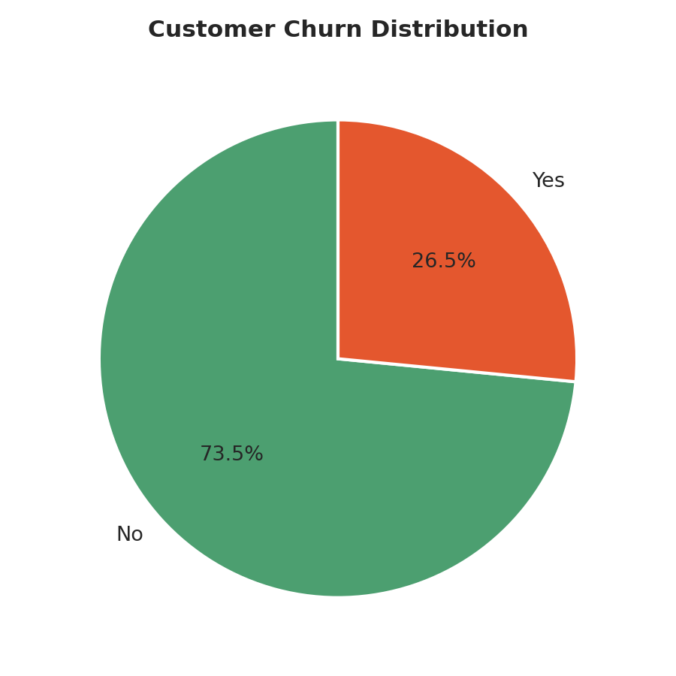
1. Customer Churn Distribution

 | Interpretation:
 | 73.5% of customers stayed, 26.5% left. About 1 in 4 customers churned - a meaningful chunk, confirming churn is a real problem worth investigating further.

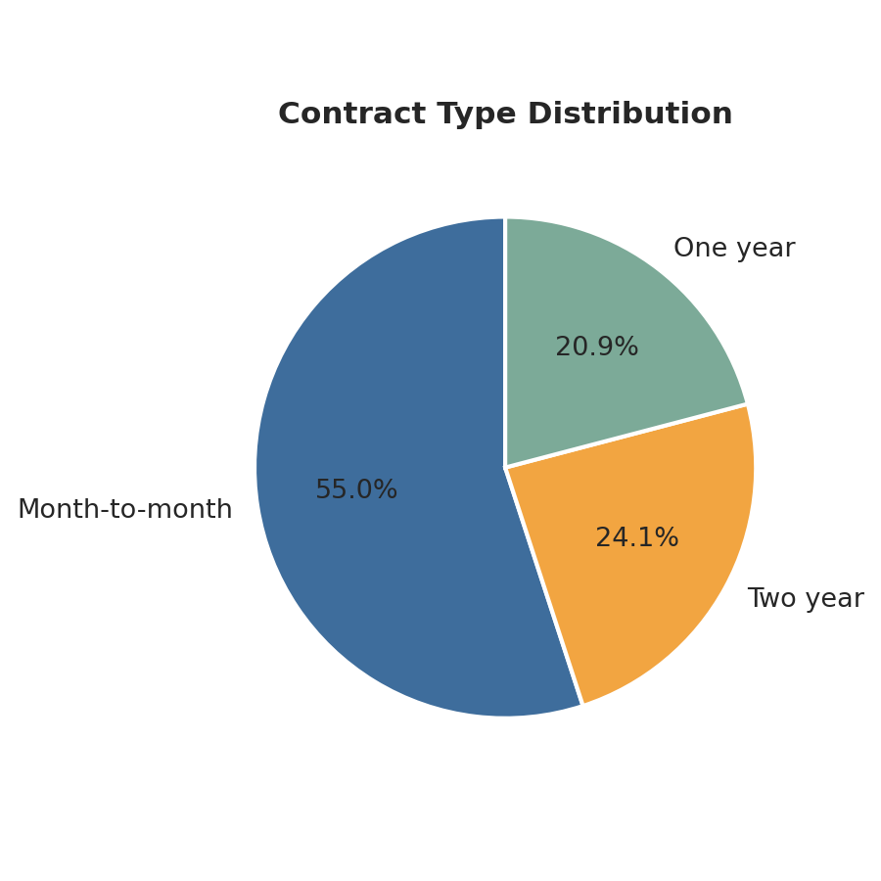
2. Contract Type Distribution

 | Interpretation:
 | Most customers (around 55%) are on month-to-month contracts, with the rest split between one-year and two-year plans. Since month-to-month customers face no penalty for leaving, this group is worth watching closely for churn risk.

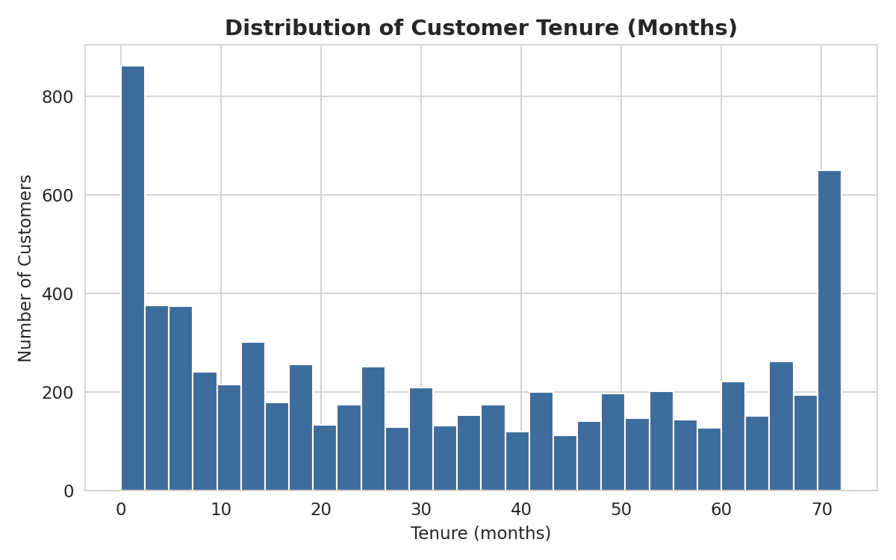
3. Distribution of Tenure

 | Interpretation:
 | The distribution is spread out but has two peaks: lots of customers are very new (0-5 months) and lots are long-term (near 70+ months), with fewer people in between. This suggests customers tend to either leave early or stick around a long time - few churn in the middle years.

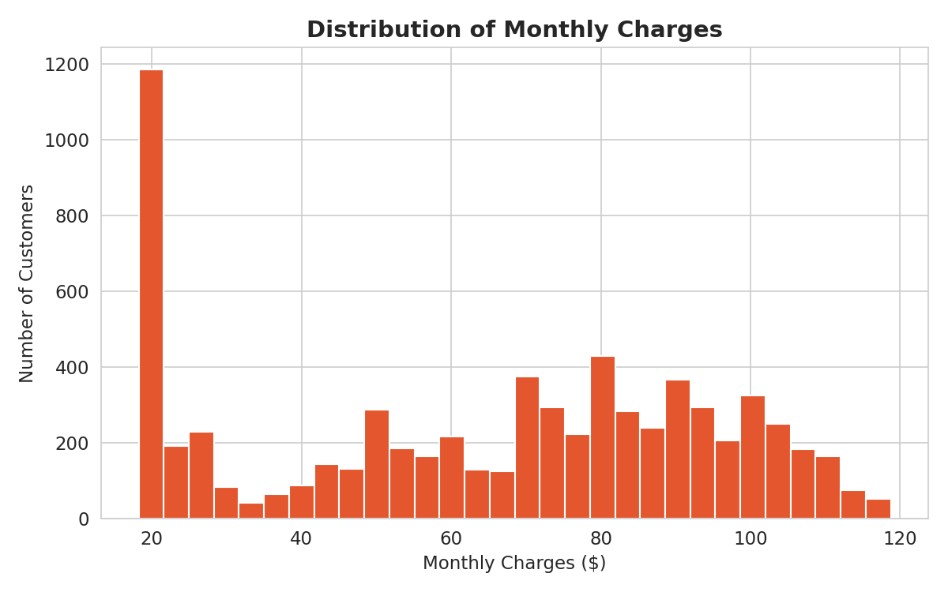
4. Distribution of Monthly Charges

 | Interpretation:
 | There's a big cluster of customers paying low amounts (around $20, likely phone-only users) and another cluster paying $70-$100 (likely bundled internet + extra services). It's not a smooth bell curve - it reflects distinct pricing tiers.

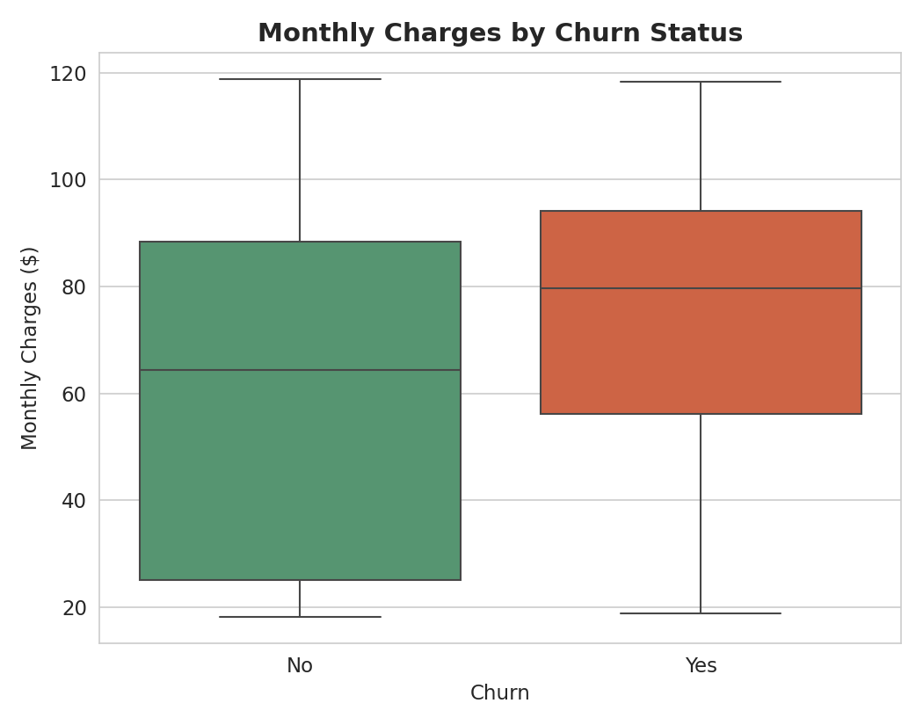
5. Monthly Charges by Churn Status

 | Interpretation:
 | Customers who churned pay noticeably more on average (median ~$79.65) than those who stayed (median ~$64.43), and the churned group's charges are also more tightly clustered toward the higher end. This suggests higher bills may be pushing customers to leave.

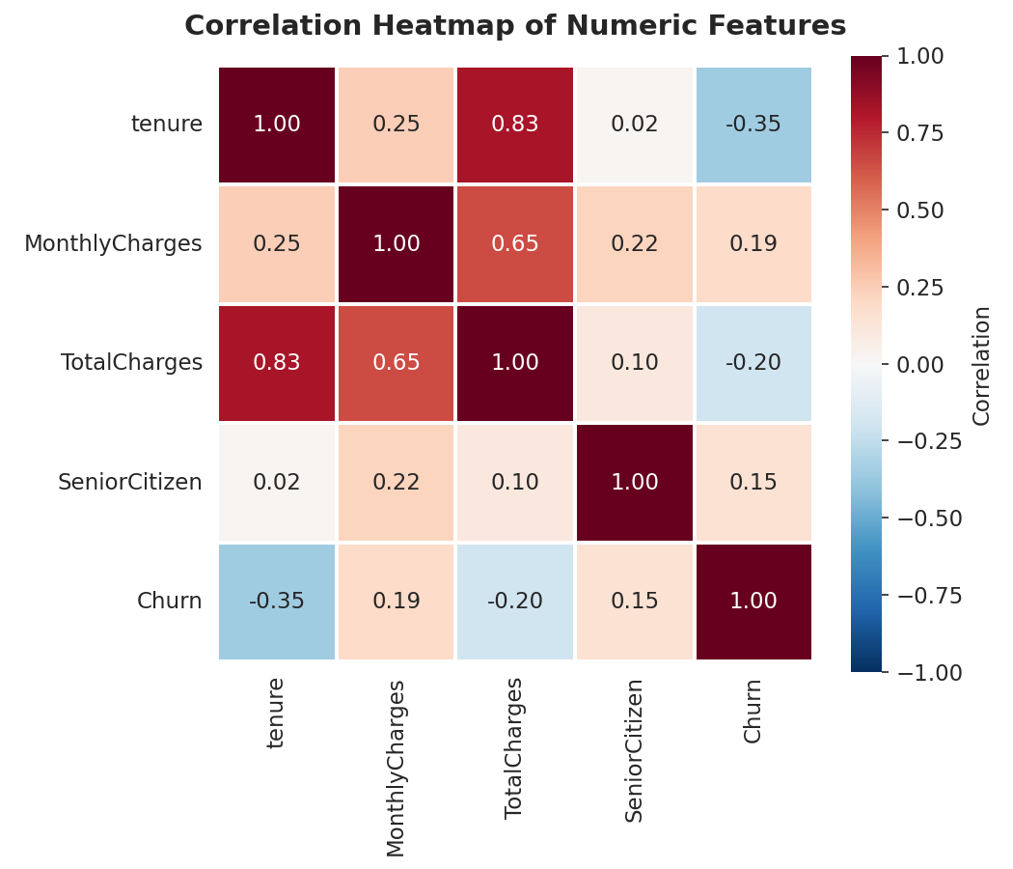
6. Correlation Heatmap of Numeric Features

 | Interpretation:
 | Tenure and Churn have a negative correlation (-0.35) - the longer someone stays, the less likely they are to churn. MonthlyCharges and Churn have a positive correlation (+0.19) - higher bills are mildly linked to churn. Tenure and TotalCharges are strongly correlated (0.83), which makes sense since total charges build up the longer someone stays. SeniorCitizen has a weak positive link to churn (0.15).

